Sheet1
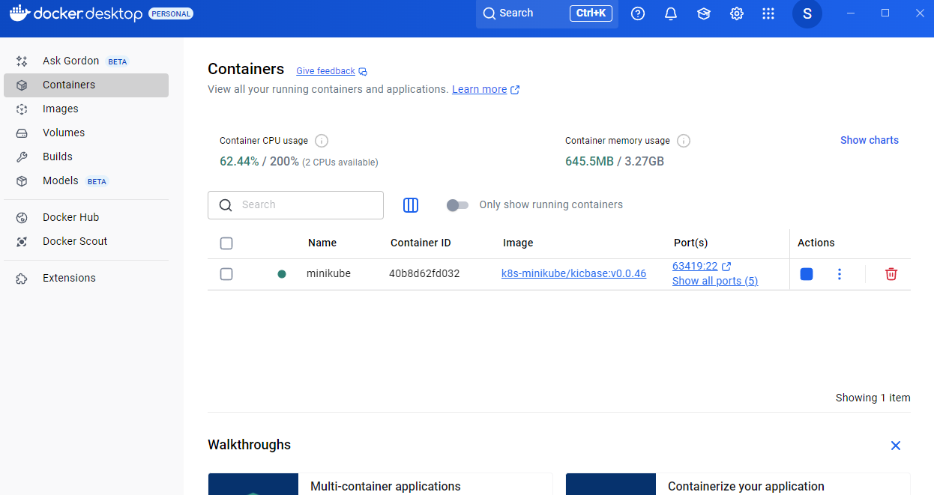
Kubernetes Taskk

1 | Setup Minikube in My Local System

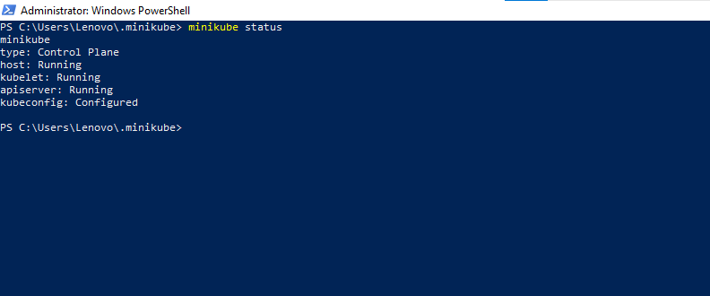

 | Minikube Created

 | Namespace creation Via Yml file
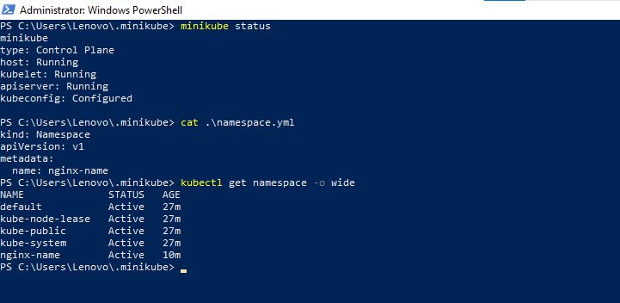

 | Namespace creation via Cmd

 | Docker in created Minikube

